Inference Commentary
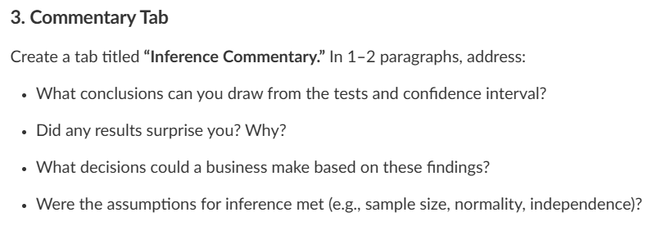

Commentary
Looking at the results from the tests, we can conclude a few things. For one, both hypothesis tests and confidence interval point in the same direction. NBA salaries are solidly above $5million on average, but this average is being pulled upward by a small group of stars and not by the typical player. The median salary in our data is only $3.63M, which is well below the lower bound. This confirms our observation in the confidence interval tab pertaining to the skew, and shows just how much max contract players distort this mean. This was not suprising given our prior knowledge of NBA pay structure. Still, seeing this difference of median and lower bound interval shows how misleading the mean can be in this situation.
As for a front office, the practical takeaway is to use the average and confidence interval as a league wide refereince point, but to lean on the median or position specific metrics when pricing and individual contract, especially for role players who make up the majority of the roster. In terms of assumptions, our sample size of 566 is large enough to utilize a t-distribution for both tests and confidence interval even though both salary and points per game showed a heavy right skew. Independence assumptions hold well too, since one player's salary or scoring average is minimally influenced by another player's numbers. However, it is important to frame findings specific to this season rather than something we can generalize moving foward as many aspects of the NBA change over the years.

